ELC_BulkEES
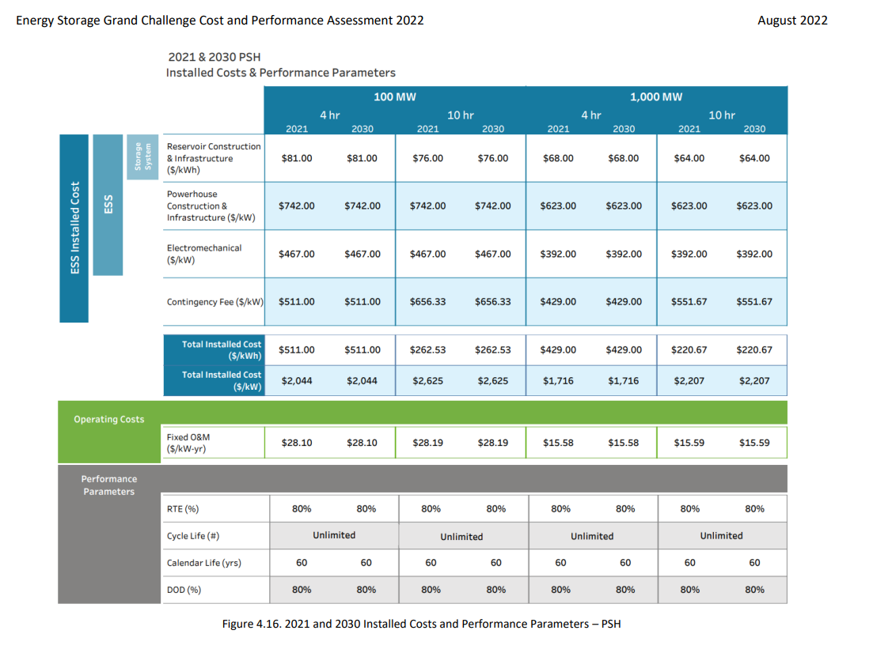
Bulk Storage - PHS, CAES and batteries |  |  |  |  |  | *WE THINK THE EU-TIMES set the wrong unit for EST*, which should be changed from PJ/a to GW |  |  |  |  |  |  |  |  | *Assuming the pump-hydropower establish on the original conventional reservoir and powerhouse, so it's installed fee only includes electromechanical fee and contingency fee, which is 978$/kw to 1320 cad/kw… OR 978/2044~0.478, So it should be 0.478 times of the original cost in EU-TIMES |  |  | *We change all the Cap2Act to 1 after rechecking the definition for CAP2ACT
 |  |  |  |  | *We adjust the tslvl for 201 power storages as season | *We referred the Li-on by using the average of NMC and LFP (202 2 Grid Energy Storage Technology Cost and Performance Assessment), within the sum for CAPEX of * and P_* is the number shown in the report; same for Lead-acid; NAS was referred from another literature; Assuming the CAES is for CAESS101 while that for 102 is with same multiplying proportion with EU-TIMES |  |  |  |  |  |  |  |  | *https://www.pnnl.gov/sites/default/files/media/file/ESGC%20Cost%20Performance%20Report%202022%20PNNL-33283.pdf
 |  |  |  | ~FI_T
TechName | Comm-IN | Comm-IN-A | Comm-OUT | Comm-OUT-A | START | LIFE | S_EFF | S_EFF~2030 | S_EFF~0 | Input | Output | INVCOST~2020 | INVCOST~2030 | INVCOST~2050 | FIXOM~2020 | VAROM~2020 | Cap2Act | FLO_COST | FLO_DELIV | EFF | ACTBND | PRC_RESID | NCAP_BND~UP~2035 | NCAP_BND~UP~0
*Technology Name | Input Commodity | Auxiliary Input Commodity | Output Commodity | Auxiliary Output Commodity |  | Years | % |  |  |  |  | CAD/kWh and CAD/kW | CAD/kWh and CAD/kW | CAD/kWh and CAD/kW | CAD/kWh and CAD/kW | CAD/GJ |  | Charging Cost | Discharging Cost
ESTBATS101_2h | ELC |  | ELC |  | 2020 | 12 | 71% | 71% | 5.00 |  |  | 604 | 242 | 151 |  |  | 31.54 |  |  |  |  | 0 | 0 | 5 | 876.06222061 |  | 219.01555515 |  | 0
 |  | AUX_ESTBATS101_2h |  | AUX_VARSOUT |  |  |  |  |  |  |  |  |  |  |  |  |  |  |  |  |  |  |  |  |  |  |  |  | 0
ESTBATS102_2h | ELC |  | ELC |  | 2020 | 15 | 83% | 85% | 5.00 |  |  | 1015 | 406 | 254 |  |  | 31.54 |  |  |  |  | 0 | 0 | 5 | 1471.8035802 | 588.72143206 | 367.95089504 |  | 0
 |  | AUX_ESTBATS102_2h |  | AUX_VARSOUT |  |  |  |  |  |  |  |  |  |  |  |  |  |  |  |  |  |  |  |  |  |  |  |  | 0
ESTBATS103_2h | ELC |  | ELC |  | 2020 | 10 | 85% | 85% | 5.00 |  |  | 683 | 273 | 171 |  |  | 31.54 |  |  |  |  | 0 |  |  | 989.87215909 |  | 247.46803977 |  | 0
 |  | AUX_ESTBATS103_2h |  | AUX_VARSOUT |  |  |  |  |  |  |  |  |  |  |  |  |  |  |  |  |  |  |  |  |  |  |  |  | 0
P_ESTBATS101_2h | DUMSTOR |  | AUX_ESTBATS101_2h |  | 2020 | 12 |  |  |  |  |  | 1035 | 414 | 259 | 6.2 |  | 31.54 |  |  | 1 |  | 0 | 0 | 5 | 1500.3427794 |  | 375.08569485 | 9.024075 | 0
P_ESTBATS102_2h | DUMSTOR |  | AUX_ESTBATS102_2h |  | 2020 | 15 |  |  |  |  |  | 462 | 185 | 115 | 4.5 |  | 31.54 |  |  | 1 |  | 0 | 0 | 5 | 669.70141984 |  | 167.42535496 | 6.479325 | 0
P_ESTBATS103_2h | DUMSTOR |  | AUX_ESTBATS103_2h |  | 2020 | 10 |  |  |  |  |  | 667 | 267 | 167 | 6.5 |  | 31.54 |  |  | 1 |  | 0 |  |  | 967.62784091 |  | 241.90696023 | 9.46125 | 0

 |  |  |  |  |  |  |  |  |  |  |  | 1639 | 656 | 410
 |  |  |  |  |  |  |  |  |  |  |  | 1477 | 591 | 369

~FI_Process
Sets | TechName | TechDesc | Tact | Tcap | Tslvl | PrimaryCG | Vintage
*Process Set Membership | Technology Name | Technology Description | Activity Unit | Capacity Unit | TimeSlice Level of oprn | Primary CommGrp | Vintage Tracking
STG | ESTBATS101_2h | Battery (Lead-acid) Bulk ELC Storage: DayNite | PJ | GW | DAYNITE | NRG
STG | ESTBATS102_2h | Battery (Li-ion) Bulk ELC Storage: DayNite | PJ | GW | DAYNITE | NRG
ELCHIG
STG | ESTBATS103_2h | Battery (NaS) Bulk ELC Storage: DayNite | PJ | GW | DAYNITE | NRG
DUMSTOR
ELCHIG
DUMSTOR
PRE | P_ESTBATS101_2h | Battery (Lead-acid) Bulk ELC Storage: DayNite (accompanying tech to represent power) | PJ | GW | DAYNITE | NRG
PRE | P_ESTBATS102_2h | Battery (Li-ion) Bulk ELC Storage: DayNite (accompanying tech to represent power) | PJ | GW | DAYNITE | NRG
PRE | P_ESTBATS103_2h | Battery (NaS) Bulk ELC Storage: DayNite (accompanying tech to represent power) | PJ | GW | DAYNITE | NRG

~FI_Comm
Csets | CommName | CommDesc | Unit | LimType | CTSLvl | PeakTS | Ctype
*Commodity Set Membership | Commodity Name | Commodity Description | Unit | Balance Equ Type Override | Timeslice Tracking Level | Peak Monitoring | Electricity Indicator
MAT | AUX_ESTBATS101_2h | Auxiliary input for Battery (Lead-acid) Bulk ELC Storage: DayNite | PJ | FX | DAYNITE
MAT | AUX_ESTBATS102_2h | Auxiliary input for Battery (Li-ion) Bulk ELC Storage: DayNite | PJ | FX | DAYNITE
MAT | AUX_ESTBATS103_2h | Auxiliary input for Battery (NaS) Bulk ELC Storage: DayNite | PJ | FX | DAYNITE

ELC_BulkEES_4h
Bulk Storage - PHS, CAES and batteries |  |  |  |  |  | *WE THINK THE EU-TIMES set the wrong unit for EST*, which should be changed from PJ/a to GW |  |  |  |  |  |  |  |  | *Assuming the pump-hydropower establish on the original conventional reservoir and powerhouse, so it's installed fee only includes electromechanical fee and contingency fee, which is 978$/kw to 1320 cad/kw… OR 978/2044~0.478, So it should be 0.478 times of the original cost in EU-TIMES |  |  | *We change all the Cap2Act to 1 after rechecking the definition for CAP2ACT
 |  |  |  |  |  | *Use the characteristic for PS with 4-hour capacity to stand for that of seasonal regulation capacity |  |  |  |  |  |  |  |  | *https://www.pnnl.gov/sites/default/files/media/file/ESGC%20Cost%20Performance%20Report%202022%20PNNL-33283.pdf
 |  |  |  | ~FI_T
TechName | Comm-IN | Comm-IN-A | Comm-OUT | Comm-OUT-A | START | LIFE | S_EFF | S_EFF~2030 | S_EFF~0 | Input | Output | INVCOST~2020 | INVCOST~2030 | INVCOST~2050 | FIXOM~2020 | VAROM~2020 | Cap2Act | FLO_COST | FLO_DELIV | EFF | ACTBND | NCAP_AFC | PRC_RESID | NCAP_BND~UP~2035 | NCAP_BND~UP~0
*Technology Name | Input Commodity | Auxiliary Input Commodity | Output Commodity | Auxiliary Output Commodity |  | Years | % |  |  |  |  | CAD/kWh and CAD/kW | CAD/kWh and CAD/kW | CAD/kWh and CAD/kW | CAD/kWh and CAD/kW | CAD/GJ |  | Charging Cost | Discharging Cost
ESTCAESS101_4h | ELC |  | ELC |  | 2020 | 60 | 52% | 52% | 5.00 |  |  | 89 | 36 | 22 | 0.1 |  | 31.54 |  |  |  |  |  | 0 | 0 | 5 |  | 128.75165532 |  | 32.18791383 | 0.0968832 | 0
 |  | AUX_ESTCAESS101_4h |  | AUX_VARSOUT |  |  |  |  |  |  |  |  |  |  |  |  |  |  |  |  |  |  |  |  |  |  |  |  |  |  | 0
ESTCAESS102_4h | ELC |  | ELC |  | 2020 | 60 | 52% | 52% | 5.00 |  |  | 130 | 52 | 33 | 0.1 |  | 31.54 |  |  |  |  |  | 0 |  |  |  | 188.83576114 |  | 47.208940285 | 0.0968832 | 0
 |  | AUX_ESTCAESS102_4h |  | AUX_VARSOUT |  |  |  |  |  |  |  |  |  |  |  |  |  |  |  |  |  |  |  |  |  |  |  |  |  |  | 0
ESTHYDPS101_4h | ELC |  | ELC |  | 2020 | 60 | 80% | 80% | 5.00 |  |  | 313 | 313 | 313 |  |  | 31.54 |  |  |  |  |  | 0 | 0 | 5 |  | 453.60512334 |  | 453.60512334 |  | 0
 |  | AUX_ESTHYDPS101_4h |  | AUX_VARSOUT |  |  |  |  |  |  |  |  |  |  |  |  |  |  |  |  |  |  |  |  |  |  |  |  |  |  | 0
ESTBATS101_4h | ELC |  | ELC |  | 2020 | 12 | 71% | 71% | 5.00 |  |  | 1034 | 414 | 259 |  |  | 31.54 |  |  |  |  |  | 0 | 0 | 5 |  | 1499.5529608 |  | 374.8882402 |  | 0
 |  | AUX_ESTBATS101_4h |  | AUX_VARSOUT |  |  |  |  |  |  |  |  |  |  |  |  |  |  |  |  |  |  |  |  |  |  |  |  |  |  | 0
ESTBATS102_4h | ELC |  | ELC |  | 2020 | 15 | 83% | 85% | 5.00 |  |  | 1767 | 707 | 442 |  |  | 31.54 |  |  |  |  |  | 0 | 0 | 5 |  | 2562.2028505 | 1024.8811402 | 640.55071262 |  | 0
 |  | AUX_ESTBATS102_4h |  | AUX_VARSOUT |  |  |  |  |  |  |  |  |  |  |  |  |  |  |  |  |  |  |  |  |  |  |  |  |  |  | 0
ESTBATS103_4h | ELC |  | ELC |  | 2020 | 10 | 85% | 85% | 5.00 |  |  | 1169 | 467 | 292 |  |  | 31.54 |  |  |  |  |  | 0 |  |  |  | 1694.3610763 |  | 423.59026907 |  | 0
 |  | AUX_ESTBATS103_4h |  | AUX_VARSOUT |  |  |  |  |  |  |  |  |  |  |  |  |  |  |  |  |  |  |  |  |  |  |  |  |  |  | 0
P_ESTCAESS101_4h | DUMSTOR |  | AUX_ESTCAESS101_4h |  | 2020 | 60 |  |  |  |  |  | 1506 | 602 | 376 | 21.7 |  | 31.54 |  |  | 1 |  |  | 0 | 0 | 5 |  | 2183.0558447 |  | 545.76396117 | 31.520825 | 0
P_ESTCAESS102_4h | DUMSTOR |  | AUX_ESTCAESS102_4h |  | 2020 | 60 |  |  |  |  |  | 1632 | 653 | 408 | 21.7 |  | 31.54 |  |  | 1 |  |  | 0 |  |  |  | 2366.16931 |  | 591.54232751 | 31.520825 | 0
P_ESTHYDPS101_4h | DUMSTOR |  | AUX_ESTHYDPS101_4h |  | 2020 | 60 | 75% | 75% | 5.00 |  |  | 2009 | 2009 | 2009 | 37.9 |  | 31.54 |  |  | 1 |  |  | 0 | 0 | 5 |  | 2913.2948767 |  | 2913.2948767 | 55.00575 | 0
P_ESTBATS101_4h | DUMSTOR |  | AUX_ESTBATS101_4h |  | 2020 | 12 |  |  |  |  |  | 1771 | 708 | 443 | 9.6 |  | 31.54 |  |  | 1 |  |  | 0 | 0 | 5 |  | 2568.1320392 |  | 642.0330098 | 13.956975 | 0
P_ESTBATS102_4h | DUMSTOR |  | AUX_ESTBATS102_4h |  | 2020 | 15 |  |  |  |  |  | 804 | 322 | 201 | 7.2 |  | 31.54 |  |  | 1 |  |  | 0 | 0 | 5 |  | 1165.8558995 |  | 291.46397488 | 10.4236875 | 0
...
 |  |  |  |  |  |  |  |  |  |  |  |  |  |  |  |  |  |  |  |  |  |  |  | DCAES | 1123 | 449 | 281 |  | 1496.4394327 | 636.11550742
 |  |  |  |  |  | PrimaryCG | Vintage |  |  |  |  |  |  |  |  |  |  |  |  |  |  |  |  | CAES | 1762 | 705 | 441
 |  |  |  |  |  | Primary CommGrp | Vintage Tracking |  |  |  |  |  |  |  |  |  |  |  |  |  |  |  |  | HPS | 1481 | 780 | 605
 |  |  |  |  |  | NRG
 |  |  |  |  |  | NRG |  |  |  |  |  |  |  |  |  |  |  |  |  |  |  |  |  | lead-acid | 1639 | 656 | 410
 |  |  |  |  |  | NRG |  |  |  |  |  |  |  |  |  |  |  |  |  |  |  |  |  | li-ion | 1477 | 591 | 369
 |  |  |  |  |  | NRG
 |  |  |  |  |  | NRG
ELCHIG
 |  |  |  |  |  | NRG
ELCHIG
DUMSTOR
 |  |  |  |  |  | NRG
PowerPlant1
 |  |  |  |  |  | NRG
 |  |  |  |  |  | NRG
CAES
 |  |  |  |  |  | NRG
P_CAES
 |  |  |  |  |  | NRG
 |  |  |  |  |  | NRG
 |  |  |  |  |  | NRG
DUMSTOR
 |  |  |  |  |  | NRG
 |  |  |  |  |  | NRG
 |  |  |  |  |  | NRG
 |  |  |  |  |  | NRG
 |  |  |  |  |  | NRG
 |  |  |  |  |  | NRG
 |  |  |  |  |  | NRG
 |  |  |  |  |  | NRG
...

ELC_BulkEES_10h
...
PrimaryCG | Vintage
Primary CommGrp | Vintage Tracking
NRG
NRG
NRG
NRG
NRG
ELCHIG
NRG
PowerPlant1
ELCHIG
DUMSTOR
P_CAES
CAES
NRG
NRG
NRG
DUMSTOR
NRG
NRG
NRG
...

ELC_BulkEES_24h
...
PrimaryCG | Vintage
Primary CommGrp | Vintage Tracking
NRG
NRG
...
ELCHIG
NRG
NRG
NRG
PowerPlant1
ELCHIG
DUMSTOR
P_CAES
CAES
NRG
NRG
...
DUMSTOR
NRG
NRG
NRG
...

RES
ELCHIG
ELCINT
ELCHIG
SYNH2G
SYNH2GI
SYNH2G
Bulk Storage

PowerPlant1
CAES
PowerPlant2
P_CAES
 |  |  | ELCHIG will be subject to constraints that make it be delivered in a reliable way.
 |  |  | ELCINT does not have these constraints.

Electrolyser
H2
 |  |  | Renewable technologies are split. The first category will be part of the new constraint to deliver reliable electricity.
 |  |  | The other category (INT) will not be subjected to such constraints.
PowerPlant3

WIND_HIG
Electrolyser1
H2I

WIND_INT

SOL1
PHS
P_PHS

Batteries
P_Batteries

DMD
H2 Production

 | H2 Production: from other sources (not electrolyser)
 | H2I: It is a H2 technology associated with Intermittent RES plants

ELCLOW
RSDELC
COMELC
TRAELC
BATTERIES

RSDBAT
P_RSDBAT

COMBAT
P_COMBAT

ROOF PVSTG

TRABAT
P_TRABAT

THERMAL STORAGE

HETHTH
COMLTH
RSDLTH
CHP1
INDHTH
 |  | 1) daynite
 |  | 2) seasonal
STGHTH
CHP2

RSDHTH0*

HTH*

COMHTH0*

INDHTH00

 | * This includes heat production from solar

COOLING STORAGE

HETHTH
COOFRE
RHUE(N), RHME(N)
RSDCOO
COMCOO
CCSE / CCLE

STGCOO
COOLSOL
RH..ECOM100*

RSDCOO100*

COMCOO100**

CCS(L)ECOM100**

 | * Technologies not avilable in TIMES-EU
 | ** Technologies already available in TIMES-EU
...

